2021 HDMI 2.1_210605
Y21/Y20 HDMI 2.1 Feature Support

- Currently, both competitors and source providers are appealing as "HDMI 2.1 support" even if only one of the following HDMI 2.1 Features is supported.
- However, the official regulations on the use of HDMI version numbers require'when using HDMI2.1 expression, the specific functions actually supported by the product must be specified'.
- In order to prevent unnecessary violations of regulations, when requesting HDMI 2.1, the detailed support function for each model should be clearly stated as shown in the example below.
HDMI 2.1.Communication Guide

ex) Supports 8K@60Hz as specified in HDMI 2.1
ex) Suports eARC, VRR (HDMI 2.1)

Y21 Models |  |  |  | These Features such as HFR(2K@120Hz, 4K@120Hz), VRR, Freesync Premium are only available in 120Hz TV Panel. |  |  |  |  |  |  |  |  |  |  |  |  |  |  |  | Y20 Models |  |  | These Features such as HFR(2K@120Hz, 4K@120Hz), VRR, Freesync Premium are only available in 120Hz TV Panel.

Series | Platform | HDMI 2.1 Features |  |  |  |  |  |  |  |  | Additional Game Features |  |  |  |  |  |  |  |  | Series | HDMI 2.1 Features |  |  |  |  |  |  |  |  | Additional Game Features
 |  |  | FRL**** |  | 4K@60Hz | HFR* (2K@120Hz) | VRR** | Dynamic Metadata | ALLM*** | eARC | Super Ultra Wide Game View | Game Bar | Game Motion Plus | Freesync | G-sync | Surround Sound | Dynamic BlackEQ | Game HDR (HGIG) | Multi-View***** |  |  | FRL**** |  | 4K@60Hz | HFR* (2K@120Hz) | VRR** | Dynamic Metadata | ALLM*** | eARC | Game Motion Plus | Surround Sound | Dynamic BlackEQ | Freesync Premium | Game HDR (HGIG) | Multi-View*****
 |  |  | 8K@60Hz | HFR* |  |  |  |  |  |  |  |  |  |  |  |  |  |  |  |  |  | 8K@60Hz | HFR*
 |  |  |  | (4K@120Hz) |  |  |  |  |  |  |  |  |  |  |  |  |  |  |  |  |  |  | (4K@120Hz)
MS1A | Oscar-P | O |  | O | O | O | O | O (HDR 10+) | O (Auto Game Mode) | O | O | O | O | TBD | TBD | O | O | O | O (4view) | Q950TS | O | O | O | O | O | O | O (HDR 10+) | O (Auto Game Mode) | O | O | O | O | O | O | O (Mirroring& Casting)
QN900A | Oscar-P | O | O | O | O | O | O | O (HDR 10+) | O (Auto Game Mode) | O | O | O | O | Freesync Premium pro | TBD | O | O | O | O (4view) | Q900TS | O | O | O | O | O | O | O (HDR 10+) | O (Auto Game Mode) | O | O | O | O | O | O | O (Mirroring& Casting)
QN800A | Oscar-P | O | O | O | O | O | O | O (HDR 10+) | O (Auto Game Mode) | O | O | O | O | Freesync Premium pro | TBD | O | O | O | O (4view) | Q800T | O | O | O | O | O | O | O (HDR 10+) | O (Auto Game Mode) | O | O | O | O | O | O | O (Mirroring& Casting)
QN700A | Oscar-S | O | O | O | O | O | O | O (HDR 10+) | O (Auto Game Mode) | O | O | O | O | Freesync Premium pro | TBD | O | O | O | O (2view)
QN95A/ QN94/ QN90A | Nike-M2 | O |  | O | O | O | O | O (HDR 10+) | O (Auto Game Mode) | O | O | O | O | Freesync Premium pro | TBD | O | O | O | O (2 view) | Q95/90T | O |  | O | O | O | O | O (HDR 10+) | O (Auto Game Mode) | O | O | O | O | O | O | O (Mirroring& Casting)
QN85A | Nike-M2 | O |  | O | O | O | O | O (HDR 10+) | O (Auto Game Mode) | O | O | O | O | Freesync Premium pro | TBD | O | O | O | O (2 view) | Q80T | O |  | O | O | O | O | O (HDR 10+) | O (Auto Game Mode) | O | O | O | O | O | O | O (Mirroring& Casting)
Q80A | Nike-M2 | O |  | O | O | O | O | O (HDR 10+) | O (Auto Game Mode) | O | O | O | O | Freesync Premium pro | TBD | O | O | O | O (2 view) | (49") | O |  |  | O |  |  | O (HDR 10+) | O (Auto Game Mode) | O | O | O | O |  | O | O (Mirroring& Casting)
(50") |  | O |  |  | O |  |  | O (HDR 10+) | O (Auto Game Mode) | O | O | O | O |  | TBD | O | O | O | O (2 view) | Q70T | O |  | O | O | O | O | O (HDR 10+) | O (Auto Game Mode) | O | O | O | O | O | O | O (Mirroring& Casting)
Q70A | Nike-M2 | O |  | O | O | O | O | O (HDR 10+) | O (Auto Game Mode) | O | O | O | O | Freesync Premium pro | TBD | O | O | O | O (2 view) | Q60T | O |  |  | O |  |  | O (HDR 10+) | O (Auto Game Mode) | O | O |  |  |  | O | O (mirroing only)
Q60A | Nike-L | O |  |  | O |  |  | O (HDR 10+) | O (Auto Game Mode) | O | O | O | O |  | TBD |  |  | O | O (2 view) | TU8500 | O |  |  | O |  |  | O (HDR 10+) | O (Auto Game Mode) | O | O |  |  |  | O | O (mirroing only)
Q50A | Kant-SU2e | O |  |  | O |  |  | O (HDR 10+) | O (Auto Game Mode) | O |  |  |  |  | TBD |  |  | O |  | TU7000 | O |  |  | O |  |  | O (HDR 10+) | O (Auto Game Mode) | O |  |  |  |  | O
AU9000/ AU9007/ AU9010 | Nike-L | O |  |  | O | O | O | O (HDR 10+) | O (Auto Game Mode) | O | O | O | O | FreeSync | TBD |  |  | O | O (2 view) | LS03T (75,65,55") | O |  | O | O | O | O | O (HDR 10+) | O (Auto Game Mode) | O | O | O | O | O | O | O (Mirroring& Casting)
AU8000 | Kant-SU2e | O |  |  | O |  |  | O (HDR 10+) | O (Auto Game Mode) | O |  |  |  |  | TBD |  |  | O |  | (50,43") | O |  |  | O |  |  | O (HDR 10+) | O (Auto Game Mode) | O | O | O | O |  | O | O (Mirroring& Casting)
AU7000 | Kant-SU2e | O |  |  | O |  |  | O (HDR 10+) | O (Auto Game Mode) | O |  |  |  |  | TBD |  |  | O |  | LS01T (55") | O |  | O | O | O | O | O (HDR 10+) | O (Auto Game Mode) | O | O | O | O | O | O | O (Mirroring& Casting)
LS03A (75,65,55") | Nike-M | O |  | O | O | O | O | O (HDR 10+) | O (Auto Game Mode) | O | O | O | O | Freesync Premium pro | TBD | O | O | O | O (2 view) | (49,43") | O |  |  | O |  |  | O (HDR 10+) | O (Auto Game Mode) | O | O | O | O |  | O | O (Mirroring& Casting)
(50,43") |  | O |  |  | O |  |  | O (HDR 10+) | O (Auto Game Mode) | O | O | O | O |  | TBD | O | O | O | O (2 view) | LS05T (Sero) | O |  |  | O |  |  | O (HDR 10+) | O (Auto Game Mode) | O | O | O | O |  | O | N/A (임원의사 결정)
Carry-over
(32") | Kant-SU2e | O |  |  |  |  |  | O (HDR 10+) | O (Auto Game Mode) | O |  |  |  |  | TBD |  |  | O |  | LST7T (Terrace) | O |  | O | O | O | O | O (HDR 10+) | O (Auto Game Mode) | O | O | O | O |  | O | O (Mirroring& Casting)
LS01T (55") |  | O |  | O | O | O | O | O (HDR 10+) | O (Auto Game Mode) | O |  |  | O | Fresync Premium | TBD | O | O | O | O (Mirroring& Casting) | LSP7T (Premiere) | O |  |  | O (HDR 10+) |  |  | O (HDR 10+) | O (Auto Game Mode) | O
(49,43") |  | O |  |  | O |  |  | O (HDR 10+) | O (Auto Game Mode) | O |  |  | O |  | TBD | O | O | O | O (Mirroring& Casting) | Supported Ports | - | HDMI 4 (Console Icon) | HDMI 4 (Console Icon) | All | All | All | All | All | QLED : HDMI 3 Crystal UHD : HDMI 2 | ← Refer to 'Y20 Ports' Tap
LS05T (Sero) |  | O |  |  | O |  |  | O (HDR 10+) | O (Auto Game Mode) | O |  |  | O |  | TBD | O | O | O | N/A (임원의사 결정)
LST7T (Terrace) |  | O |  | O | O | O | O | O (HDR 10+) | O (Auto Game Mode) | O |  |  | O |  | TBD | O | O | O | O (Mirroring& Casting)
LSP7T (Premiere) |  | O |  |  | O (HDR 10+) |  |  | O (HDR 10+) | O (Auto Game Mode) | O |  |  |  |  | TBD
LSP9T (Premiere) |  | O |  |  | O (HDR 10+) |  |  | O (HDR 10+) | O (Auto Game Mode) | O |  |  |  |  | TBD
Supported Ports |  | - | HDMI 4 (Console Icon) | HDMI 4 (Console Icon) | All | All | All | All | All | QLED : HDMI 3 Crystal UHD : HDMI 2 | ← Refer to 'Y20 Ports' Tap
 |  |  | * 8K model all HDMI ports can support FRL

* HFR : High Frame Rate
** VRR : Variable Refresh Rate (48Hz ~ 120Hz)
***ALLM : Auto Low Latency Mode
**** FRL : Fixed Rate Link
****** Multi-View : Game Mode is off while Multi-View

2021 Remote
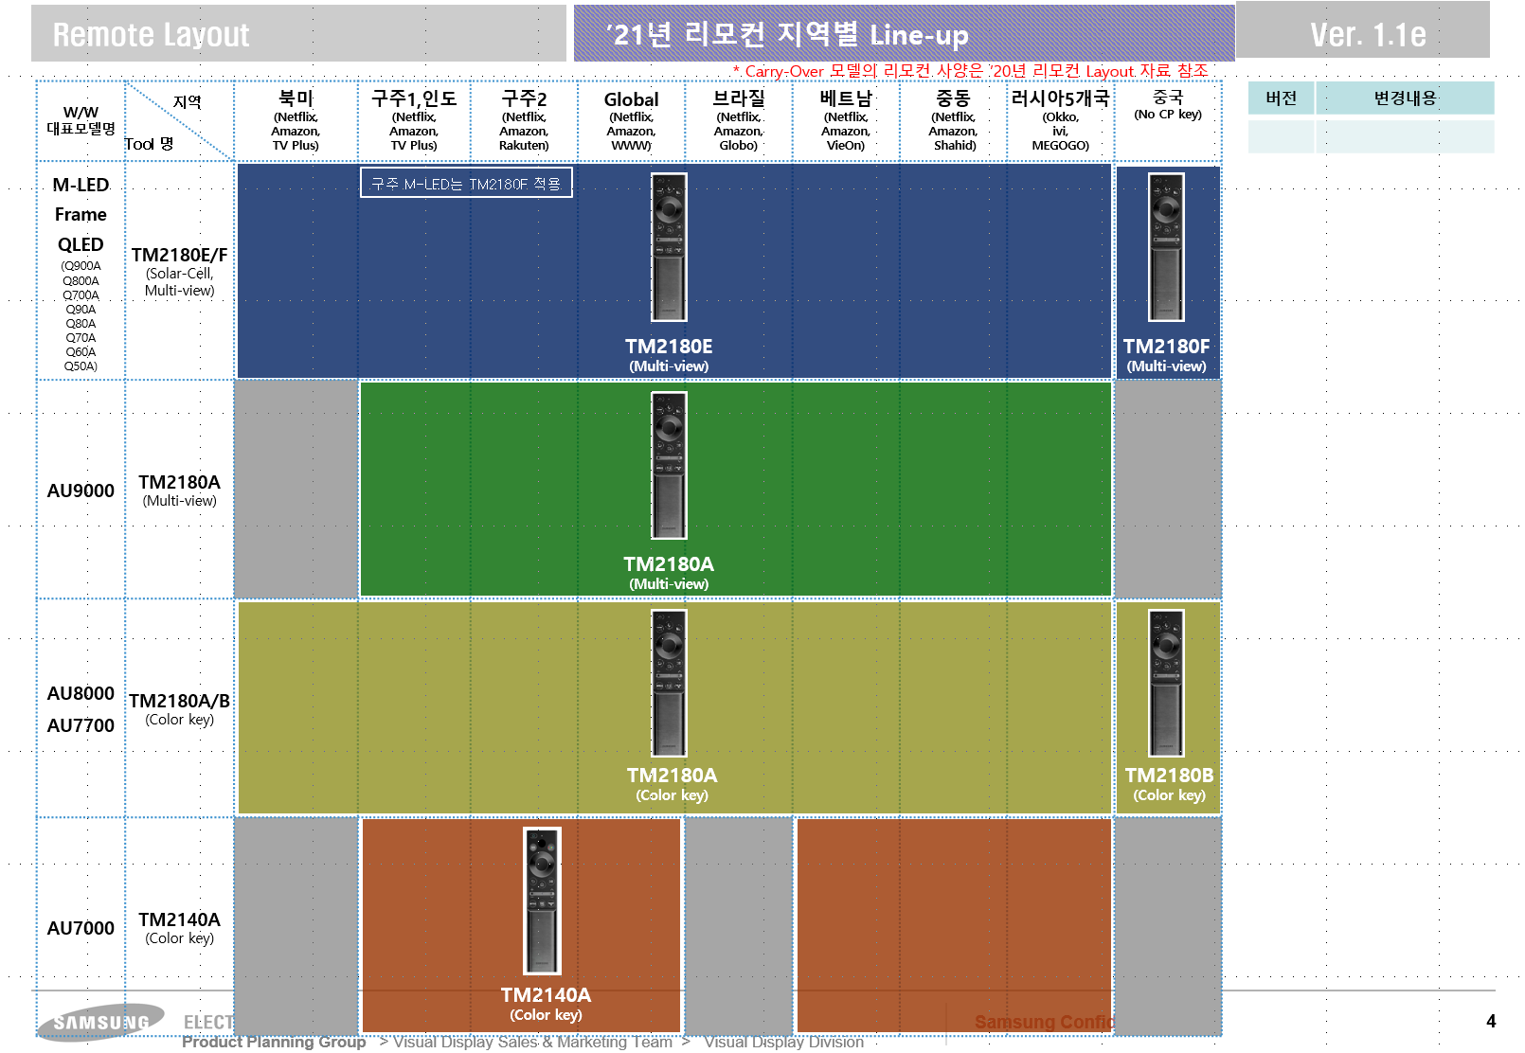

UK
UK

AU8000

AU71

